Number of drops
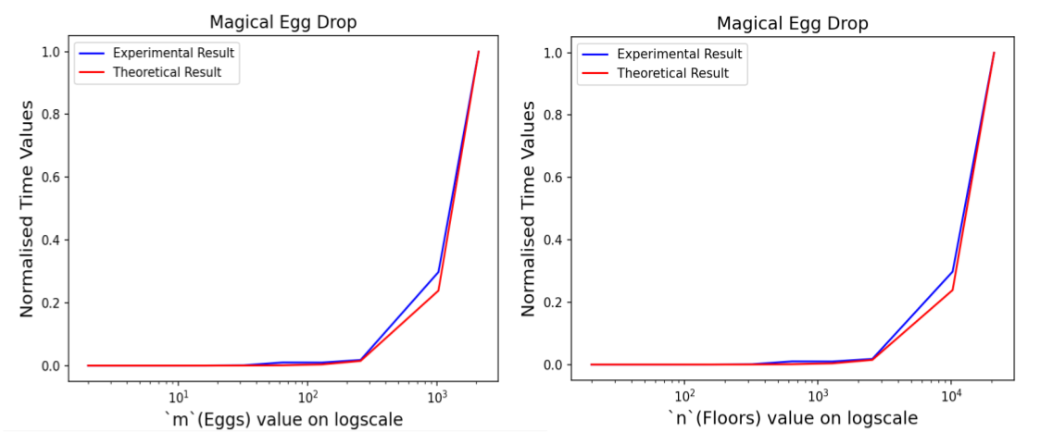
Eggs (n) | Floors (k) | Experimental Result in ns | Theoretical Result (n * k) | Scaling Constant | Scaled Theoretical Result
2 | 20 | 15631.8 | 40 |  | 1928.315932
4 | 40 | 16159.2 | 160 |  | 7713.26373
8 | 80 | 15721.3 | 640 |  | 30853.05492
16 | 160 | 78131.6 | 2560 |  | 123412.2197
32 | 320 | 299124 | 10240 |  | 493648.8787
64 | 640 | 1046687.3 | 40960 |  | 1974595.515
128 | 1280 | 8627083.6 | 163840 |  | 7898382.059
256 | 2560 | 34754853.5 | 655360 |  | 31593528.24
1024 | 10240 | 670861589 | 10485760 |  | 505496451.8
2096 | 20960 | 1949782634 | 43932160 |  | 2117877102
 | Average | 26654976.15 | 552917.2 | 48.20789831

First drop
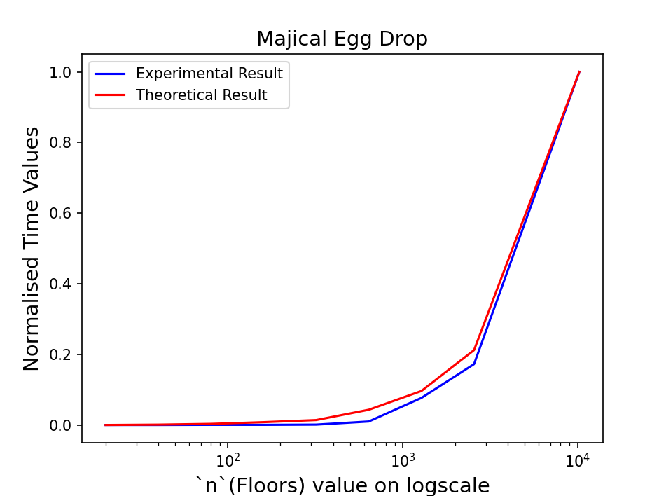
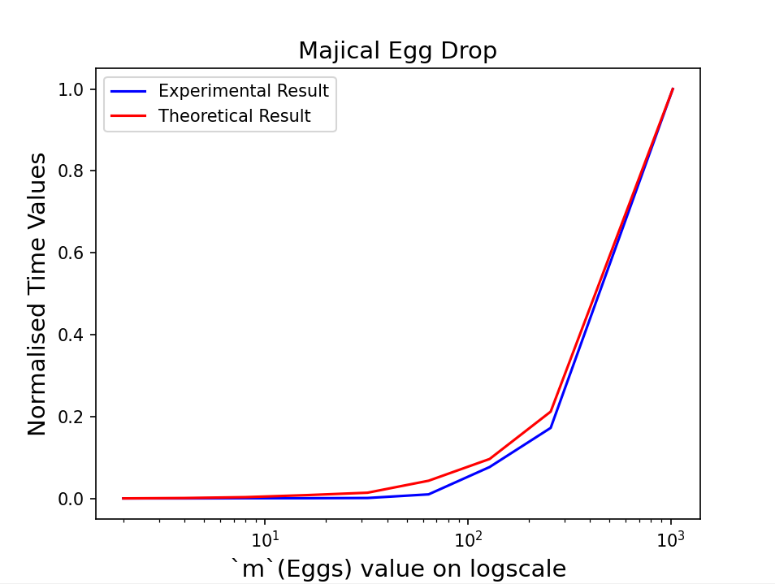
Eggs (m) | Floors (n) | Experimental Result in ns | Theoretical Result (m * log n) | Scaling Constant | Scaled Theoretical Result | Normalized Experimental | Normalized Theory
2 | 20 | 64773.60 | 8.64385619 |  | 16677671.365 | 0 | 0
4 | 40 | 309214.20 | 21.28771238 |  | 41073042.33 | 0.00000735 | 0.0009274441751
8 | 80 | 1366246.40 | 50.57542476 |  | 97581483.86 | 0.0000391 | 0.003075738006
16 | 160 | 5202459.00 | 117.1508495 |  | 226033766.08 | 0.0001544968795 | 0.007959136627
32 | 320 | 25614709.60 | 266.301699 |  | 513809128.96 | 0.0007683197933 | 0.01889955579
64 | 640 | 131145920.40 | 596.6033981 |  | 1151101451.7 | 0.003941780504 | 0.04312763797
128 | 1280 | 354687222.00 | 1321.206796 |  | 2549169290.3 | 0.01066395807 | 0.09627829
256 | 2560 | 2735510732.00 | 2898.413592 |  | 5592271354.9 | 0.08225841635 | 0.2119685694
1024 | 10240 | 33254363600.00 | 13641.65437 |  | 26320547619 | 1 | 1
 | Average | 4056473875.24 | 2102.426411 | 1929424.9
 | Sum | 36508264877.20 | 18921.8377

